Bug 1
Bug /Defect Reporting

1 | Bug ID : 01 | Tester Name : Pawan mankar
2 | Bug Name : CheckOut Functionality Bug | Devloper Lead Name : Tarak Mehta
3 | Bug Descriptions : When user cart is empty and do checkout process order should be unsuccesfull & error messg should come & there is no need to show next process button when cart is empty | Devloper Lead Email Id : tmehta@gmail.com
4 | Step to reproduce : Login > Click on Empty Cart >Click on checkout > fill details > & click on finished > order place succesfull
5 | Test Case ID : TC 23
6 | Status of Bug : New
7 | Reproducibilty : Always
8 | Severity : Critical
9 | Priority : High
10 | ScreenShot : Below

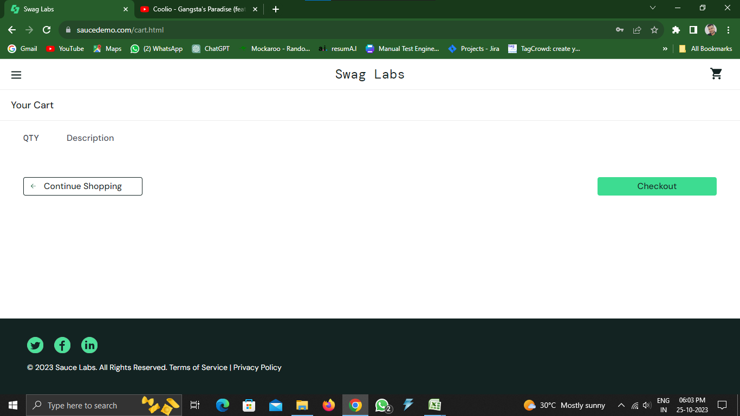
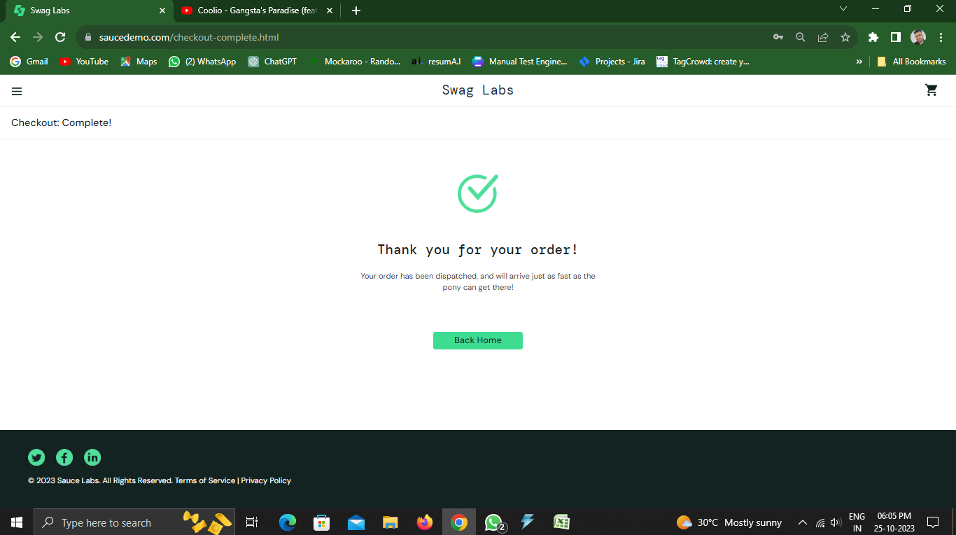

1st :
4th :

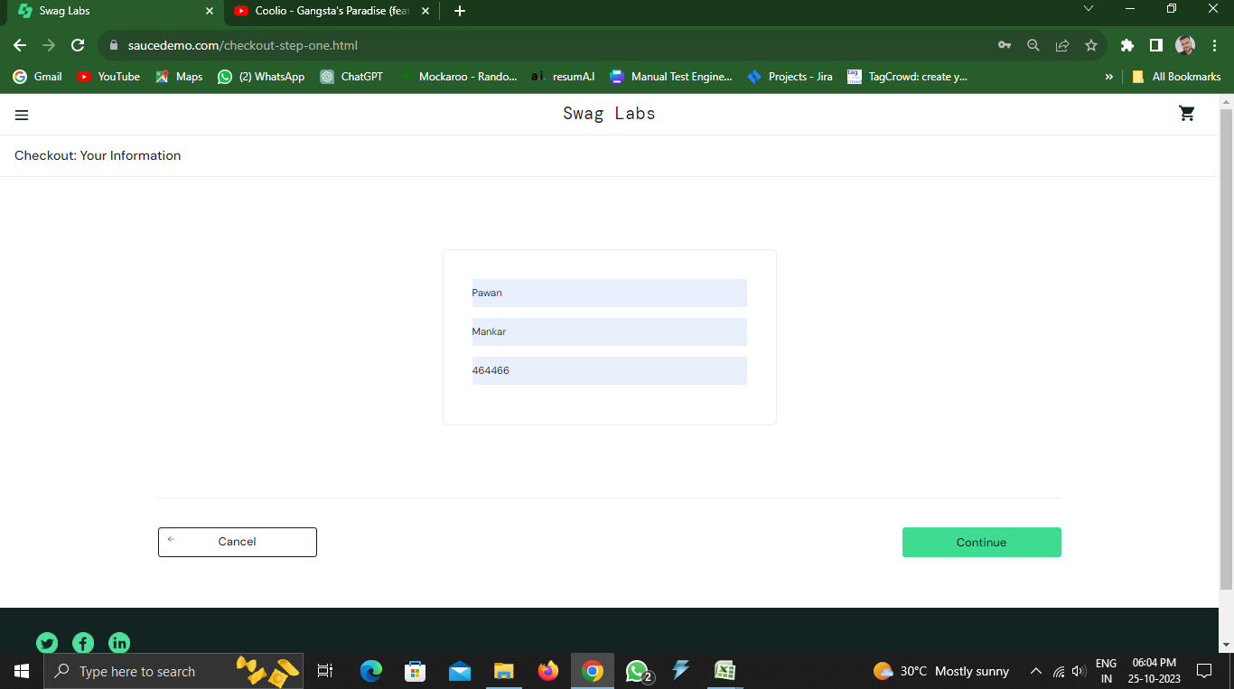
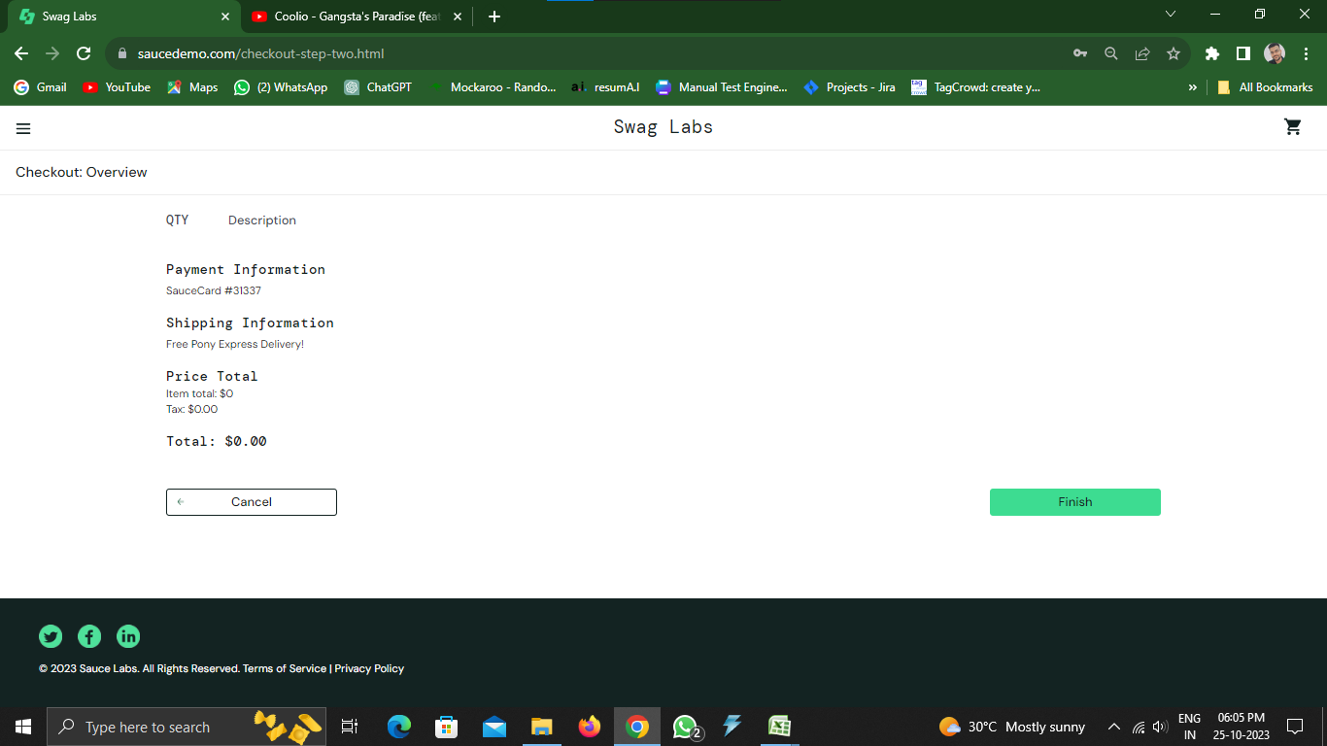

3rd:
2nd :

